Tabelle1
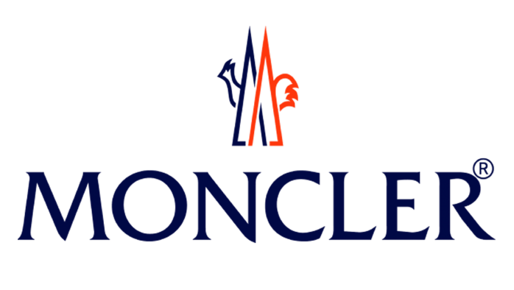

 |  |  |  |  | 403 |  |  | 225,184.00 € | 562,389.00 €
PHOTO | BRAND | ARTICLE DESCRIPTION | Color code | Size | QTY | WHS Price** | Retail Price** | TOT WHS** | TOT RTL**
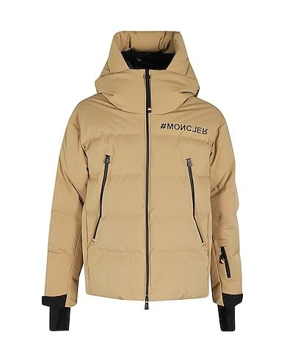 | Moncler | MONCLER GRENOBLE FELLBERG | BEIGE | S | 4 | 770.00 € | 1,925.00 € | 3,080.00 € | 7,700.00 €
 | Moncler |  | BEIGE | M | 3 | 770.00 € | 1,925.00 € | 2,310.00 € | 5,775.00 €
 | Moncler |  | BEIGE | L | 2 | 770.00 € | 1,925.00 € | 1,540.00 € | 3,850.00 €
 | Moncler |  | BEIGE | XL | 5 | 770.00 € | 1,925.00 € | 3,850.00 € | 9,625.00 €
 | Moncler |  | BEIGE | XXL | 4 | 770.00 € | 1,925.00 € | 3,080.00 € | 7,700.00 €

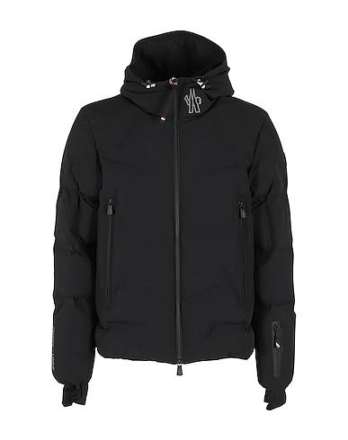 | Moncler | MONCLER GRENOBLE ARCESAZ | BLACK | S | 5 | 726.00 € | 1,815.00 € | 3,630.00 € | 9,075.00 €
 | Moncler |  | BLACK | M | 3 | 726.00 € | 1,815.00 € | 2,178.00 € | 5,445.00 €
 | Moncler |  | BLACK | L | 4 | 726.00 € | 1,815.00 € | 2,904.00 € | 7,260.00 €
 | Moncler |  | BLACK | XL | 5 | 726.00 € | 1,815.00 € | 3,630.00 € | 9,075.00 €
 | Moncler |  | BLACK | XXl | 5 | 726.00 € | 1,815.00 € | 3,630.00 € | 9,075.00 €

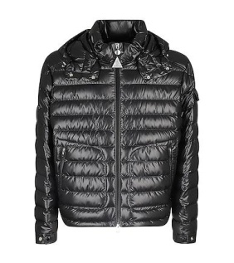 | Moncler | MONCLER GRENOBLE LAUROS | BLACK | S | 4 | 528.00 € | 1,320.00 € | 2,112.00 € | 5,280.00 €
 | Moncler |  | BLACK | M | 2 | 528.00 € | 1,320.00 € | 1,056.00 € | 2,640.00 €
 | Moncler |  | BLACK | L | 4 | 528.00 € | 1,320.00 € | 2,112.00 € | 5,280.00 €
 | Moncler |  | BLACK | XL | 4 | 528.00 € | 1,320.00 € | 2,112.00 € | 5,280.00 €
 | Moncler |  | BLACK | XXL | 4 | 528.00 € | 1,320.00 € | 2,112.00 € | 5,280.00 €

 | Moncler | MONCLER ACORUS | BLACK | S | 5 | 405.00 € | 1,012.00 € | 2,025.00 € | 5,060.00 €
 | Moncler |  | BLACK | M | 3 | 405.00 € | 1,012.00 € | 1,215.00 € | 3,036.00 €
 | Moncler |  | BLACK | L | 4 | 405.00 € | 1,012.00 € | 1,620.00 € | 4,048.00 €
 | Moncler |  | BLACK | XL | 5 | 405.00 € | 1,012.00 € | 2,025.00 € | 5,060.00 €
 | Moncler |  | BLACK | XXL | 4 | 405.00 € | 1,012.00 € | 1,620.00 € | 4,048.00 €

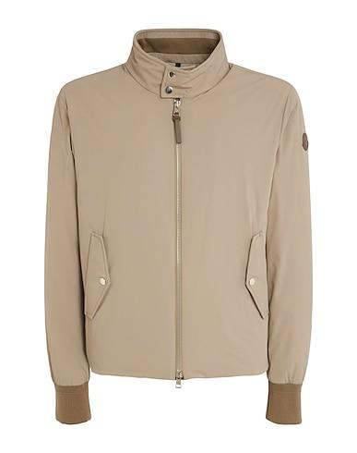
 | Moncler | MONCLER ALBERGIAN | Beige | S | 5 | 638.00 € | 1,595.00 € | 3,190.00 € | 7,975.00 €
 | Moncler |  | Beige | M | 3 | 638.00 € | 1,595.00 € | 1,914.00 € | 4,785.00 €
 | Moncler |  | Beige | L | 4 | 638.00 € | 1,595.00 € | 2,552.00 € | 6,380.00 €
 | Moncler |  | Beige | XL | 4 | 638.00 € | 1,595.00 € | 2,552.00 € | 6,380.00 €
 | Moncler |  | Beige | XXL | 4 | 638.00 € | 1,595.00 € | 2,552.00 € | 6,380.00 €

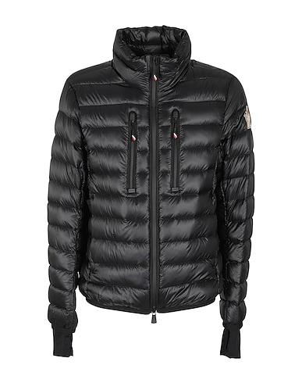 | Moncler | MONCLER GRENOBLE HERS | BLACK | S | 4 | 523.00 € | 1,298.00 € | 2,092.00 € | 5,192.00 €
 | Moncler |  | BLACK | M | 2 | 523.00 € | 1,298.00 € | 1,046.00 € | 2,596.00 €
 | Moncler |  | BLACK | L | 1 | 523.00 € | 1,298.00 € | 523.00 € | 1,298.00 €
 | Moncler |  | BLACK | XL | 5 | 523.00 € | 1,298.00 € | 2,615.00 € | 6,490.00 €
 | Moncler |  | BLACK | XXL | 5 | 523.00 € | 1,298.00 € | 2,615.00 € | 6,490.00 €

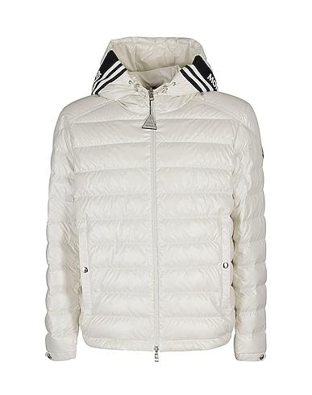 | Moncler | MONCLER CORNOUR | OFF White | S | 4 | 523.00 € | 1,298.00 € | 2,092.00 € | 5,192.00 €
 | Moncler |  | OFF White | M | 2 | 523.00 € | 1,298.00 € | 1,046.00 € | 2,596.00 €
 | Moncler |  | OFF White | L | 4 | 523.00 € | 1,298.00 € | 2,092.00 € | 5,192.00 €
 | Moncler |  | OFF White | XL | 2 | 523.00 € | 1,298.00 € | 1,046.00 € | 2,596.00 €
 | Moncler |  | OFF White | XXL | 4 | 523.00 € | 1,298.00 € | 2,092.00 € | 5,192.00 €

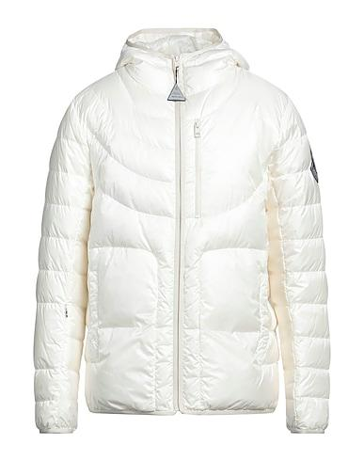 | Moncler | MONCLER 2 GENIUS 1952 | OFF White | S | 4 | 484.00 € | 1,210.00 € | 1,936.00 € | 4,840.00 €
 | Moncler |  | OFF White | M | 3 | 484.00 € | 1,210.00 € | 1,452.00 € | 3,630.00 €
 | Moncler |  | OFF White | L | 4 | 484.00 € | 1,210.00 € | 1,936.00 € | 4,840.00 €
 | Moncler |  | OFF White | XL | 5 | 484.00 € | 1,210.00 € | 2,420.00 € | 6,050.00 €
 | Moncler |  | OFF White | XXL | 5 | 484.00 € | 1,210.00 € | 2,420.00 € | 6,050.00 €

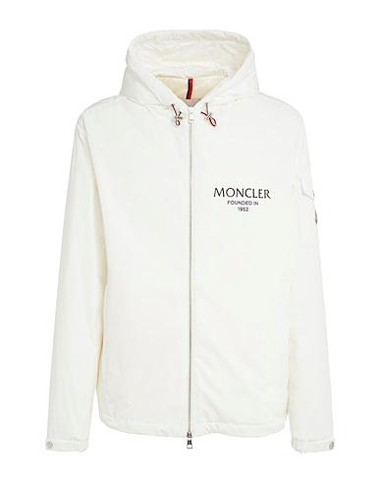 | Moncler | MONCLER GRANERO | OFF White | S | 4 | 512.00 € | 1,276.00 € | 2,048.00 € | 5,104.00 €
 | Moncler |  | OFF White | M | 3 | 512.00 € | 1,276.00 € | 1,536.00 € | 3,828.00 €
 | Moncler |  | OFF White | L | 2 | 512.00 € | 1,276.00 € | 1,024.00 € | 2,552.00 €
 | Moncler |  | OFF White | XL | 3 | 512.00 € | 1,276.00 € | 1,536.00 € | 3,828.00 €
 | Moncler |  | OFF White | XXL | 5 | 512.00 € | 1,276.00 € | 2,560.00 € | 6,380.00 €

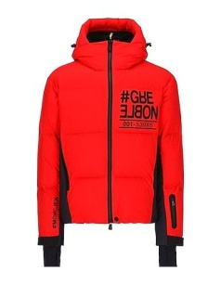 | Moncler | MONCLER GRENOBLE PRAMINT | RED | S | 3 | 704.00 € | 1,760.00 € | 2,112.00 € | 5,280.00 €
 | Moncler |  | RED | M | 2 | 704.00 € | 1,760.00 € | 1,408.00 € | 3,520.00 €
 | Moncler |  | RED | L | 3 | 704.00 € | 1,760.00 € | 2,112.00 € | 5,280.00 €
 | Moncler |  | RED | XL | 4 | 704.00 € | 1,760.00 € | 2,816.00 € | 7,040.00 €
 | Moncler |  | RED | XXL | 3 | 704.00 € | 1,760.00 € | 2,112.00 € | 5,280.00 €

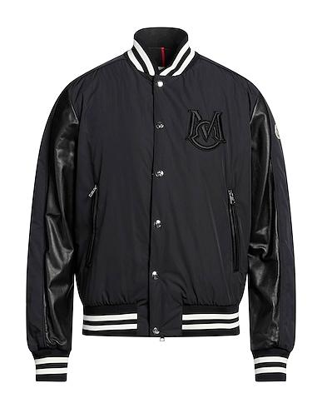 | Moncler | MONCLER BOMBER | BLACK | S | 5 | 836.00 € | 2,090.00 € | 4,180.00 € | 10,450.00 €
 | Moncler |  | BLACK | M | 3 | 836.00 € | 2,090.00 € | 2,508.00 € | 6,270.00 €
 | Moncler |  | BLACK | L | 5 | 836.00 € | 2,090.00 € | 4,180.00 € | 10,450.00 €
 | Moncler |  | BLACK | XL | 4 | 836.00 € | 2,090.00 € | 3,344.00 € | 8,360.00 €
 | Moncler |  | BLACK | XXL | 5 | 836.00 € | 2,090.00 € | 4,180.00 € | 10,450.00 €

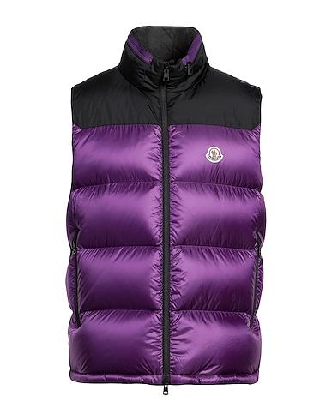 | Moncler | MONCLER GILET BORMES | BLACK | S | 5 | 435.00 € | 1,089.00 € | 2,175.00 € | 5,445.00 €
 | Moncler |  | BLACK | M | 3 | 435.00 € | 1,089.00 € | 1,305.00 € | 3,267.00 €
 | Moncler |  | BLACK | L | 4 | 435.00 € | 1,089.00 € | 1,740.00 € | 4,356.00 €
 | Moncler |  | BLACK | XL | 2 | 435.00 € | 1,089.00 € | 870.00 € | 2,178.00 €
 | Moncler |  | BLACK | XXL | 3 | 435.00 € | 1,089.00 € | 1,305.00 € | 3,267.00 €

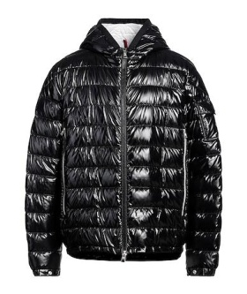 | Moncler | MONCLER MAYA | BLACK | S | 4 | 605.00 € | 1,518.00 € | 2,420.00 € | 6,072.00 €
 | Moncler |  | BLACK | M | 1 | 605.00 € | 1,518.00 € | 605.00 € | 1,518.00 €
 | Moncler |  | BLACK | L | 3 | 605.00 € | 1,518.00 € | 1,815.00 € | 4,554.00 €
 | Moncler |  | BLACK | XL | 2 | 605.00 € | 1,518.00 € | 1,210.00 € | 3,036.00 €
 | Moncler |  | BLACK | XXL | 5 | 605.00 € | 1,518.00 € | 3,025.00 € | 7,590.00 €

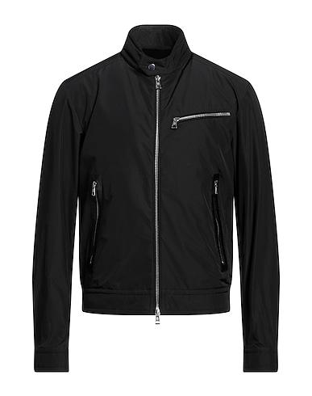 | Moncler | MONCLER BIKER DROME | BLACK | S | 4 | 501.00 € | 1,243.00 € | 2,004.00 € | 4,972.00 €
 | Moncler |  | BLACK | M | 2 | 501.00 € | 1,243.00 € | 1,002.00 € | 2,486.00 €
 | Moncler |  | BLACK | L | 3 | 501.00 € | 1,243.00 € | 1,503.00 € | 3,729.00 €
 | Moncler |  | BLACK | XL | 2 | 501.00 € | 1,243.00 € | 1,002.00 € | 2,486.00 €
 | Moncler |  | BLACK | XXL | 5 | 501.00 € | 1,243.00 € | 2,505.00 € | 6,215.00 €

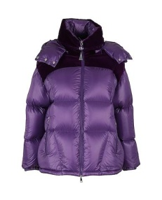 | Moncler | MONCLER MEANDRE | PURPLE | M | 5 | 656.00 € | 1,639.00 € | 3,280.00 € | 8,195.00 €
 | Moncler |  | PURPLE | L | 3 | 656.00 € | 1,639.00 € | 1,968.00 € | 4,917.00 €
 | Moncler |  | PURPLE | XL | 4 | 656.00 € | 1,639.00 € | 2,624.00 € | 6,556.00 €
 | Moncler |  | PURPLE | XXL | 2 | 656.00 € | 1,639.00 € | 1,312.00 € | 3,278.00 €

 | Moncler | MONCLER GRENOBLE WALIBI | BLACK | S | 5 | 528.00 € | 1,320.00 € | 2,640.00 € | 6,600.00 €
 | Moncler |  | BLACK | M | 2 | 528.00 € | 1,320.00 € | 1,056.00 € | 2,640.00 €
 | Moncler |  | BLACK | L | 2 | 528.00 € | 1,320.00 € | 1,056.00 € | 2,640.00 €
 | Moncler |  | BLACK | XL | 3 | 528.00 € | 1,320.00 € | 1,584.00 € | 3,960.00 €
 | Moncler |  | BLACK | XXl | 4 | 528.00 € | 1,320.00 € | 2,112.00 € | 5,280.00 €

 | Moncler | MONCLER GRENOBLE REVERSIBLE DOWN JACKET | PINK | S | 4 | 374.00 € | 935.00 € | 1,496.00 € | 3,740.00 €
 | Moncler |  | PINK | M | 2 | 374.00 € | 935.00 € | 748.00 € | 1,870.00 €
 | Moncler |  | PINK | L | 1 | 374.00 € | 935.00 € | 374.00 € | 935.00 €
 | Moncler |  | PINK | XL | 2 | 374.00 € | 935.00 € | 748.00 € | 1,870.00 €
 | Moncler |  | PINK | XXL | 3 | 374.00 € | 935.00 € | 1,122.00 € | 2,805.00 €

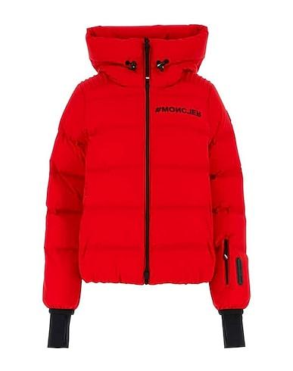 | Moncler | MONCLER GRENOBLE SUISSES | RED | S | 5 | 814.00 € | 2,035.00 € | 4,070.00 € | 10,175.00 €
 | Moncler |  | RED | M | 3 | 814.00 € | 2,035.00 € | 2,442.00 € | 6,105.00 €
 | Moncler |  | RED | L | 2 | 814.00 € | 2,035.00 € | 1,628.00 € | 4,070.00 €
 | Moncler |  | RED | XL | 4 | 814.00 € | 2,035.00 € | 3,256.00 € | 8,140.00 €
 | Moncler |  | RED | XXL | 3 | 814.00 € | 2,035.00 € | 2,442.00 € | 6,105.00 €

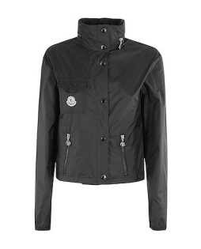 | Moncler | MONCLER LICO | BLACK | S | 4 | 352.00 € | 875.00 € | 1,408.00 € | 3,500.00 €
 | Moncler |  | BLACK | M | 3 | 352.00 € | 875.00 € | 1,056.00 € | 2,625.00 €
 | Moncler |  | BLACK | L | 2 | 352.00 € | 875.00 € | 704.00 € | 1,750.00 €
 | Moncler |  | BLACK | XL | 4 | 352.00 € | 875.00 € | 1,408.00 € | 3,500.00 €
 | Moncler |  | BLACK | XXL | 4 | 352.00 € | 875.00 € | 1,408.00 € | 3,500.00 €

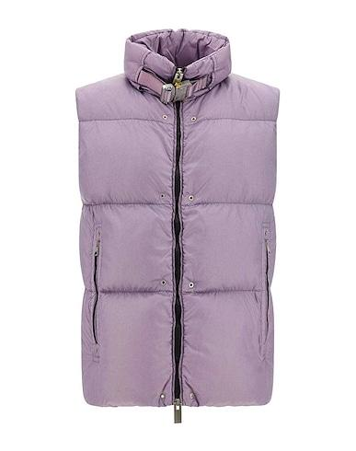 | Moncler | MONCLER ISLOTE PADDED | PURPLE | S | 4 | 484.00 € | 1,210.00 € | 1,936.00 € | 4,840.00 €
 | Moncler |  | PURPLE | M | 3 | 484.00 € | 1,210.00 € | 1,452.00 € | 3,630.00 €
 | Moncler |  | PURPLE | L | 3 | 484.00 € | 1,210.00 € | 1,452.00 € | 3,630.00 €
 | Moncler |  | PURPLE | XL | 5 | 484.00 € | 1,210.00 € | 2,420.00 € | 6,050.00 €
 | Moncler |  | PURPLE | XXL | 4 | 484.00 € | 1,210.00 € | 1,936.00 € | 4,840.00 €

 | Moncler | MONCLER LIANE QUILTED | Fuchsia | S | 5 | 304.00 € | 759.00 € | 1,520.00 € | 3,795.00 €
 | Moncler |  | Fuchsia | M | 3 | 304.00 € | 759.00 € | 912.00 € | 2,277.00 €
 | Moncler |  | Fuchsia | L | 1 | 304.00 € | 759.00 € | 304.00 € | 759.00 €
 | Moncler |  | Fuchsia | XL | 4 | 304.00 € | 759.00 € | 1,216.00 € | 3,036.00 €
 | Moncler |  | Fuchsia | XXL | 5 | 304.00 € | 759.00 € | 1,520.00 € | 3,795.00 €

 | Moncler | MONCLER GRENOBLE WALIBI | PINK | S | 3 | 528.00 € | 1,320.00 € | 1,584.00 € | 3,960.00 €
 | Moncler |  | PINK | M | 2 | 528.00 € | 1,320.00 € | 1,056.00 € | 2,640.00 €
 | Moncler |  | PINK | L | 3 | 528.00 € | 1,320.00 € | 1,584.00 € | 3,960.00 €
 | Moncler |  | PINK | XL | 4 | 528.00 € | 1,320.00 € | 2,112.00 € | 5,280.00 €
 | Moncler |  | PINK | XXL | 5 | 528.00 € | 1,320.00 € | 2,640.00 € | 6,600.00 €

 | Moncler | MONCLER ABDEROS | Avorio | S | 4 | 524.00 € | 1,309.00 € | 2,096.00 € | 5,236.00 €
 | Moncler |  | Avorio | M | 2 | 524.00 € | 1,309.00 € | 1,048.00 € | 2,618.00 €
 | Moncler |  | Avorio | L | 4 | 524.00 € | 1,309.00 € | 2,096.00 € | 5,236.00 €
 | Moncler |  | Avorio | XL | 4 | 524.00 € | 1,309.00 € | 2,096.00 € | 5,236.00 €
 | Moncler |  | Avorio | XXL | 4 | 524.00 € | 1,309.00 € | 2,096.00 € | 5,236.00 €

